Income Statement
Consolidated Income Statement
(in US$ millions expect per share amounts) |  |  |  |  |  | Estimates

On December 31 |  |  | 2022A | 2023A | 2024A | 2025E | 2026E | 2027E | 2028E | 2029E
Revenue
 | Net Operating Revenue |  | 43,004.0 | 45,754.0 | 47,061.0
 | Net Operating Revenue |  | 43,004.0 | 45,754.0 | 47,061.0 | 48,120.0 | 50,650.0 | 53,182.50 | 55,575.71 | 57,798.74
 |  | Y/Y growth (%) | 11% | 6.4% | 2.9% | 2.3% | 5.3% | 5.0% | 4.5% | 4.0%
Costs of goods sold
 | Cost of goods sold |  | 16,740.0 | 17,392.0 | 17,249.0 | 18,840.15 | 19,324.21 | 20,024.50 | 20,925.61 | 21,762.63
 |  | COGS as a % of net sales | 38.9% | 38.0% | 36.7% | 39.2% | 38.2% | 37.7% | 37.7% | 37.7%
Gross Profit |  |  | 26,264.0 | 28,362.0 | 29,812.0 | 29,279.9 | 31,325.8 | 33,158.0 | 34,650.1 | 36,036.1
 |  | Gross Profit Margin % | 61.1% | 62.0% | 63.3% | 60.8% | 61.8% | 62.3% | 62.3% | 62.3%
Operating expenses
 | Selling, general and administrative expenses |  | 12,880.0 | 13,972.0 | 14,582.0 | 15,150.73 | 15,694.06 | 16,212.85 | 16,664.55 | 17,331.14
 |  | SGA as a % of net sales | 30.0% | 30.5% | 31.0% | 31.5% | 31.0% | 30.5% | 30.0% | 30.0%
 | Other operating charges |  | 1,215.0 | 1,951.0 | 4,163.0 | 2,051.89 | 1,431.02 | 1,502.58 | 1,570.19 | 1,633.00
 |  | Other operating charges as a % of net sales | 2.8% | 4.3% | 8.8% | 4.3% | 2.8% | 2.8% | 2.8% | 2.8%
 | Total operating expense |  | 14,095.0 | 15,923.0 | 18,745.0 | 17,202.6 | 17,125.1 | 17,715.4 | 18,234.7 | 18,964.1
 | EBITDA |  | 12,169.0 | 12,439.0 | 11,067.0 | 12,077.2 | 14,200.7 | 15,442.6 | 16,415.4 | 17,072.0
 |  | EBITDA margin % | 28.3% | 27.2% | 23.5% | 25.1% | 28.0% | 29.0% | 29.5% | 29.5%
 | Depreciation and amortization |  | 1,260.0 | 1,128.0 | 1,075.0 | 1,048.9 | 1,164.3 | 1,282.5 | 1,403.0 | 1,525.0
 | EBIT |  | 10,909.0 | 11,311.0 | 9,992.0 | 11,028.3 | 13,036.4 | 14,160.0 | 15,012.4 | 15,547.0
 |  | EBIT margin (%) | 25.4% | 24.7% | 21.2% | 22.9% | 25.7% | 26.6% | 27.0% | 26.9%
Equity (Income) |  |  | (1,472.0) | (1,691.0) | (1,770.0) | (1,691.0) | (1,770.0) | (1,691.0) | (1,770.0) | (1,691.0)
Other (Income ) |  |  | 262.0 | (570.0) | (1,992.0) | (1,281.0) | (570.0) | 262.0 | 262.0 | 262.0
Interest
 | Interest expense |  | 882.0 | 1,527.0 | 1,656.0 | 2,229.3 | 2,229.3 | 2,229.3 | 2,229.3 | 2,229.3
 | Interest (income) |  | (449.0) | (907.0) | (988.0) | (539.2) | (857.0) | (1,240.8) | (1,718.2) | (2,176.2)
Net Interest expense |  |  | 433.0 | 620.0 | 668.0 | 1,690.1 | 1,372.3 | 988.6 | 511.1 | 53.1
Earning before tax (EBT) |  |  | 11,686.0 | 12,952.0 | 13,086.0 | 12,310.2 | 14,004.1 | 14,600.5 | 16,009.3 | 16,922.9
 | EBT margin (%) |  | 27.2% | 28.3% | 27.8% | 25.6% | 27.6% | 27.5% | 28.8% | 29.3%
Income tax expense |  |  | 2,115.0 | 2,249.0 | 2,437.0 | 2,292.5 | 2,608.0 | 2,719.0 | 2,981.4 | 3,151.5
 | All-in effective tax rate (%) |  | 18.1% | 17.4% | 18.6% | 18.6% | 18.6% | 18.6% | 18.6% | 18.6%
Consolidated Net Income |  |  | 9,571.0 | 10,703.0 | 10,649.0 | 10,017.7 | 11,396.1 | 11,881.4 | 13,027.9 | 13,771.3
Net Income (Loss) Attributable to Noncontrolling Interest |  |  | 29.0 | (11.0) | 18.0 | 12.0 | 12.0 | 12.0 | 12.0 | 12.0
Non-recurring events
 | Discontinued operations |  | 0.0 | 0.0 | 0.0 | 0.0 | 0.0 | 0.0 | 0.0 | 0.0
 | Extraordinary items |  | 0.0 | 0.0 | 0.0 | 0.0 | 0.0 | 0.0 | 0.0 | 0.0
 | Effect of accounting changes |  | 0.0 | 0.0 | 0.0 | 0.0 | 0.0 | 0.0 | 0.0 | 0.0
 | Equity-method investment activity, net of tax |  | 0.0 | 0.0 | 0.0 | 0.0 | 0.0 | 0.0 | 0.0 | 0.0
 | Other items |  | 0.0 | 0.0 | 0.0 | 0.0 | 0.0 | 0.0 | 0.0 | 0.0
 | Total non-recurring events |  | 0.0 | 0.0 | 0.0 | 0.0 | 0.0 | 0.0 | 0.0 | 0.0
 | Net income (after non-recurring events) |  | 9,542.0 | 10,714.0 | 10,631.0 | 10,005.7 | 11,384.1 | 11,869.4 | 13,015.9 | 13,759.3
 | Equity-method investment activity, net of tax |  | 0.0 | 0.0 | 0.0 | 0.0 | 0.0 | 0.0 | 0.0 | 0.0
 | Dividends paid on common stock |  | 0.0 | 0.0 | 0.0 | 0.0 | 0.0 | 0.0 | 0.0 | 0.0
 |  | Dividends paid on common stock (per share) | $0.00 | $0.00 | $0.00 | $0.00 | $0.00 | $0.00 | $0.00 | $0.00
Net Income as reported |  |  | 9,542.0 | 10,714.0 | 10,631.0 | 10,005.7 | 11,384.1 | 11,869.4 | 13,015.9 | 13,759.3
Earnings per share (EPS)
 | Basic |  | 2.20 | 2.48 | 2.47 | 2.32 | 2.64 | 2.75 | 3.02 | 3.19
 | Diluted |  | 2.19 | 2.47 | 2.46 | 2.32 | 2.64 | 2.75 | 3.01 | 3.19
Effect of dilutive securities |  |  | 22.0 | 16.0 | 11.0 | 12.0 | 13.0 | 14.0 | 15.0 | 16.0
Average Shares Outstanding
 | Basic |  | 4,328.0 | 4,323.0 | 4,309.0 | 4,309.0 | 4,309.0 | 4,309.0 | 4,309.0 | 4,309.0
 | Diluted |  | 4,350.0 | 4,339.0 | 4,320.0 | 4,320.0 | 4,320.0 | 4,320.0 | 4,320.0 | 4,320.0

 |  | Year | 2022 | 2023 | 2024 | 2025 | 2026 | 2027 | 2028 | 2029 | CAGR
 |  | Revenue | 43,004 | 45,754 | 47,061 | 48,120 | 50,650 | 53,183 | 55,576 | 57,799 | 4.3% | Year | CAGR
 |  | COGS | 16,740 | 17,392 | 17,249 | 18,840 | 19,324 | 20,025 | 20,926 | 21,763 | 3.8% | EPS | 5.5%
 |  | Operating expenses | 14,095 | 15,923 | 18,745 | 17,203 | 17,125 | 17,715 | 18,235 | 18,964 | 4.3% | Net Income | 5.4%
 |  | Ebit | 11,686 | 12,952 | 13,086 | 12,310 | 14,004 | 14,600 | 16,009 | 16,923 | 5.4% | EBIT | 5.4%
 |  | Net income | 9,542 | 10,714 | 10,631 | 10,006 | 11,384 | 11,869 | 13,016 | 13,759 | 5.4% | Operating expenses | 4.3%
 |  | EPS | 2.19 | 2.47 | 2.46 | 2.32 | 2.64 | 2.75 | 3.01 | 3.19 | 5.5% | Revenue | 4.3%
 |  |  |  |  |  |  |  |  |  |  |  | COGS | 3.8%

Cash Flow
Consolidated Income Statements
(in US$ millions except per share amounts) |  |  | Actuals |  |  | Estimates

Period Ending December 31 |  |  | 2022A | 2023A | 2024A | 2025E | 2026E | 2027E | 2028E | 2029E
Cash flows from operating activities
 | Consolidated net income |  | 9,571.0 | 10,703.0 | 10,649.0 | 10,017.7 | 11,396.1 | 11,881.4 | 13,027.9 | 13,771.3
 | Depreciation and amortization |  | 1,260.0 | 1,128.0 | 1,075.0 | 1,048.9 | 1,164.3 | 1,282.5 | 1,403.0 | 1,525.0
 | Stock-based compensation |  | 356.0 | 254.0 | 286.0 | 286.0 | 286.0 | 286.0 | 286.0 | 286.0
 | Other Non-Cash Adjustments |  | 436.0 | 360.0 | 1,029.0 | 398.0 | 398.0 | 398.0 | 398.0 | 398.0
 | Changes in operating assets and liabilities
 |  | (Increase) decrease in trade accounts receivable | (69.0) | (2.0) | (295.0) | 1.0 | (187.6) | (187.8) | (177.5) | (164.8)
 |  | (Increase) decrease in inventories1 | (960.0) | (597.0) | (520.0) | (270.1) | (128.4) | (185.8) | (239.1) | (222.1)
 |  | (Increase) decrease in prepaid expenses and other current assets and other noncurrent assets2 | 225.0 | (323.0) | (5,667.0) | (708.9) | 17.3 | (131.7) | (115.9) | (162.7)
 |  | Increase (decrease) in accounts payable and accrued expenses | 759.0 | 841.0 | 1,134.0 | (4,819.3) | 190.6 | 605.0 | 665.8 | 734.3
 |  | Increase (decrease) in accrued income taxes | (360.0) | (578.0) | (823.0) | 3.4 | 191.3 | 67.4 | 159.1 | 103.2
 |  | Increase (decrease) in other noncurrent liabilities | (200.0) | (187.0) | (63.0) | 4,110.0 | 0.0 | 0.0 | 0.0 | 0.0
 |  | Net changes in operating assets and liabilities | (605.0) | (846.0) | (6,234.0) | (1,684.0) | 83.2 | 167.1 | 292.6 | 287.9
 | Net Cash Provided by Operating Activities |  | 11,018.0 | 11,599.0 | 6,805.0 | 10,066.7 | 13,327.6 | 14,015.1 | 15,407.4 | 16,268.2
Cash flows from investing activities
 | Purchase of investments |  | (3,751.0) | (6,698.0) | (5,640.0) | (3,751.0) | (6,698.0) | (5,640.0) | (3,751.0) | (6,698.0)
 | Proceeds from disposal of imvestments |  | 4,771.0 | 4,354.0 | 6,589.0 | 4,771.0 | 4,354.0 | 6,589.0 | 4,771.0 | 4,354.0
 | Acquisitions of businesses, equity method investments and nonmarketable securities |  | (73.0) | (62.0) | (315.0) | (67.5) | (67.5) | (67.5) | (67.5) | (67.5)
 | Proceeds from disposals of businesses, equity method investments and nonmarketable securities |  | 458.0 | 430.0 | 3,485.0 | 444.0 | 444.0 | 444.0 | 444.0 | 444.0
 | Purchases of property, plant and equipment |  | (1,409.0) | (1,778.0) | (2,024.0) | (2,021.4) | (2,077.1) | (2,127.7) | (2,167.9) | (2,196.8)
 |  | % of Revenue | 3.28% | 3.89% | 4.30% | 4.20% | 4.10% | 4.00% | 3.90% | 3.80%
 | Other investing activities |  | (759.0) | 405.0 | 429.0 | 339.5 | 339.5 | 339.5 | 339.5 | 339.5
 | Total cash from investing activities |  | (763.0) | (3,349.0) | 2,524.0 | (285.4) | (3,705.1) | (462.7) | (431.9) | (3,824.8)
Cash flows from financing activities
 | Issuances of loans, notes payable and long-term debt |  | 3,972.0 | 6,891.0 | 12,061.0 | 5,431.5 | 5,431.5 | 5,431.5 | 5,431.5 | 5,431.5
 | Payments of loans, notes payable and long-term debt |  | (4,930.0) | (5,034.0) | (9,533.0) | (4,930.0) | (5,034.0) | (4,930.0) | (5,034.0) | (4,930.0)
 | Issuances (Payments) of loans, notes payable and long-term debt |  | (958.0) | 1,857.0 | 2,528.0 | 501.5 | 397.5 | 501.5 | 397.5 | 501.5
 | Issuances of stock |  | 837.0 | 539.0 | 747.0 | 707.7 | 664.6 | 706.4 | 692.9 | 687.9
 | Purchases of stock for treasury |  | (1,418.0) | (2,289.0) | (1,795.0) | (1,418.0) | (2,289.0) | (1,795.0) | (1,418.0) | (2,289.0)
 | Dividends |  | (7,616.0) | (7,952.0) | (8,359.0) | (7,867.3) | (8,951.1) | (9,332.8) | (10,234.2) | (10,818.8)
 |  | %net income | 80% | 74% | 79% | 79% | 79% | 79% | 79% | 79%
 | Other financing activities |  | (1,095.0) | (465.0) | (31.0) | 0.0 | 0.0 | 0.0 | 0.0 | 0.0
 | Total cash from financing activities |  | (10,250.0) | (8,310.0) | (6,910.0) | (8,076.2) | (10,178.1) | (9,919.9) | (10,561.8) | (11,918.3)
Effect of Exchange Rate Changes on Cash, Cash Equivalents, |  |  | (205.0) | (73.0) | (623.0) | (623.0) | (623.0) | (623.0) | (623.0) | (623.0)
 | Total change in cash and cash equivalents |  | (200.0) | (133.0) | 1,796.0 | 1,082.1 | (1,178.6) | 3,009.5 | 3,790.7 | (97.9)
SUPPLEMENTAL DATA:
 | Cash flow before debt paydown |  |  |  |  | 9,158.2 | 8,999.5 | 12,929.4 | 14,352.5 | 11,820.4

 |  | Year | 2022 | 2023 | 2024 | 2025 | 2026 | 2027 | 2028 | 2029
 |  | Working Capital | (605.0) | (846.0) | (6,234.0) | (1,684.0) | 83.2 | 167.1 | 292.6 | 287.9
 |  | Cash flows from operating activities | 11,018.0 | 11,599.0 | 6,805.0 | 10,066.7 | 13,327.6 | 14,015.1 | 15,407.4 | 16,268.2
 |  | CAPEX | (1,409.0) | (1,778.0) | (2,024.0) | (2,021.4) | (2,077.1) | (2,127.7) | (2,167.9) | (2,196.8)
 |  | Cash flows from investing activities | (763.0) | (3,349.0) | 2,524.0 | (285.4) | (3,705.1) | (462.7) | (431.9) | (3,824.8)
 |  | Cash flows from financing activities | (10,250.0) | (8,310.0) | (6,910.0) | (8,076.2) | (10,718.1) | (9,919.9) | (10,561.8) | (11,918.3)
 |  | Total change in cash and cash equivalents | (200.0) | (133.0) | 1,796.0 | 1,082.1 | (1,178.6) | 3,009.5 | 3,790.7 | (97.9)

Football field
 | 52-week |  |  | Comparable |  |  |  |  |  | Discounted
 | high / low |  |  | company analysis |  |  |  |  |  | cash flow analysis
 |  |  |  | Group 1: Non-Alcoholic Beverage |  |  | Group 2: Alcoholic Beverage |  |  | EBITDA Method |  |  |  | Perpetuity Method
 | Low | — | High | Low | — | High | Low | — | High | Low | — | High | — | Low | — | High
Share price | $60.62 | — | $74.38 | $30.31 | — | $67.00 | $18.38 | — | $34.22 | $31.42 | — | $84.15 |  | $60.44 | — | $118.00
Shares outstanding | 4,320.00 | — | 4,320.00 | 4,320.0 |  | 4,320.0 | 4,320.0 |  | 4,320.0 | 4,320.0 |  | 4,320.0 |  | 4,320.0 |  | 4,320.0
Equity value | $261,878 | — | $321,322 | $130,954 |  | $289,426 | $79,402 |  | $147,814 | $135,734 | — | $363,528 |  | $261,101 | — | $509,760
Net debt & other | $33,694 | — | $33,694 | $33,694 |  | $33,694 | $33,694 |  | $33,694 | $33,694 | — | $33,694 |  | $33,694 | — | $33,694
Enterprise value | $295,572 | — | $355,016 | $164,648 | — | $323,120 | $113,096 | — | $181,508 | $169,428 | — | $397,222 |  | $294,795 | — | $543,454
LTM EBITDA | 12,077.2 |  | 12,077.2 | 12,077.2 |  | 12,077.2 | 12,077.2 |  | 12,077.2 | 12,077.2 |  | 12,077.2 |  | 12,077.2 |  | 12,077.2
Multiple | 24.5x | — | 29.4x | 13.6x | — | 26.8x | 9.4x | — | 15.0x | 14.0x | — | 32.9x |  | 24.4x | — | 45.0x
Share Price
Table Data | Low | Variance | High
DCF Perpetuity | $60.44 | $57.56 | $118.00
DCF EBITDA | $31.42 | $52.73 | $84.15
Comps Group 2 | $18.38 | $15.84 | $34.22
Comps Group 1 | $30.31 | $36.68 | $67.00
52-Week High / Low | $60.62 | $13.76 | $74.38

Pepsi
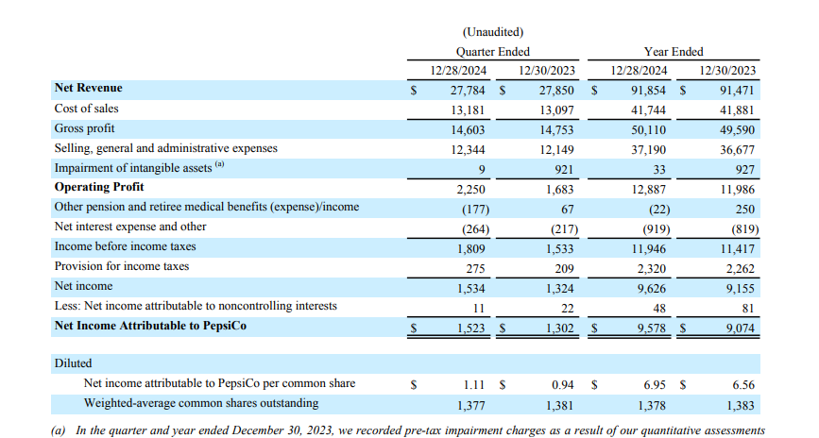
Pepsi Income Statement
 |  |  | Actuals | Estimates

 |  |  | 2024A | 2025E
Revenue |  |  | 91,854.00 | 91,970.00
 |  | Y/Y revenue growth (%)

Cost of goods sold |  |  | 41,744.00 | 42,306.20
 | COGS as a % of revenue |  | 45% | 46%
Gross profit |  |  | 50,110.00 | 49,663.80
 | Gross profit margin (%) |  | 55% | 55%
Operating expenses |  |  | 34,063.00 | 34,106.02
 | OpEx as a % of revenue |  | 37% | 37%
EBITDA |  |  | 16,047.00 | 15,557.78
 | EBITDA margin (%) |  | 17% | 17%
Depreciation and amortization |  |  | 3,160.00 | 3,163.99
 | D&A % of Revenue |  | 3% | 3%
EBIT |  |  | 12,887.00 | 12,393.79
 | EBIT margin (%) |  | 14% | 13%
Other income |  |  | 22 | 22
Interest
 | Interest expense |  | 919 | 919
 | Interest income |  | 0 | 0
 | Net interest expense |  | 919.00 | 919.00
Earnings before tax (EBT) |  |  | 11,946.00 | 11,452.79
 | IBT margin (%) |  | 13% | 12%
Income tax expense |  |  | 2,320.00 | 2,224.22
 | Effective tax rate (%) |  | 19% | 19%
Net income from continuing operations |  |  | 9,626.00 | 9,228.58
 | Income attributable to equity method investments |  | 0 | 0
 | Income from discontinued operations, net of taxes |  | 0 | 0
 | Gains on investments and sale of business |  | 0 | 0
 | Other |  | 48 | 48
Net income (as reported) |  |  | 9,578.00 | 9,180.58
Earnings per share (As reported)
 | Basic |  | 6.95 | 6.66
 | Diluted |  | 6.94 | 6.65
Average common shares outstanding
 | Basic |  | 1,378 | 1,378
 | Diluted |  | 1,380 | 1,380

Enterprise Value
Share Price |  |  | $132.49
Number diluted shares outstanding |  |  | 1,380.00 | million
Market value |  |  | 182,836.20
Short-term debt |  |  | 7,082.00
Long-term debt (includes current portions) |  |  | 37,224.00
Capital lease obligations
Convertible debt
Preferred securities
Noncontrolling interest |  |  | 130
Less: Cash & equivalents |  |  | -8,505.00
Enterprise value |  |  | $218,767.20

Nestle
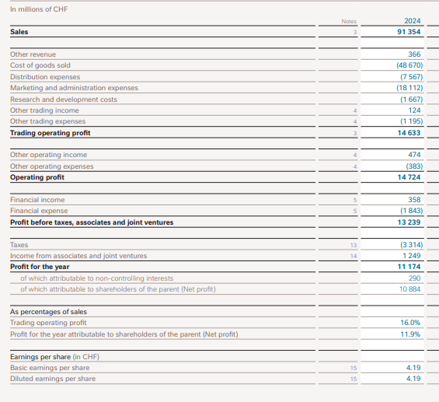
Nestle Income Statement
 |  |  | Actuals | Estimates

in millions of CHF |  |  | 2024A | 2025E
Revenue |  |  | 91354 | 92724
 |  | Y/Y revenue growth (%) |  | 1.50%

Cost of goods sold |  |  | 48670 | 50071
 | COGS as a % of revenue |  | 53% | 54%
Gross profit |  |  | 42684 | 42653
 | Gross profit margin (%) |  | 47% | 46%
Operating expenses |  |  | 24378 | 25963
 | OpEx as a % of revenue |  | 27% | 28%
EBITDA |  |  | 18306 | 16690
 | EBITDA margin (%) |  | 20% | 18%
Depreciation and amortization |  |  | 3582 | 3635.73
 | D&A % of Revenue |  | 4% | 4%
EBIT |  |  | 14724 | 13055
 | EBIT margin (%) |  | 16% | 14%
Other income |  |  | 0 | 0
Interest
 | Interest expense |  | 358 | 358
 | Interest income |  | 1843 | 1843
 | Net interest expense |  | 1485 | 1485
Earnings before tax (EBT) |  |  | 13239 | 11570
 | IBT margin (%) |  | 14% | 12%
Income tax expense |  |  | 2065 | 1805
 | Effective tax rate (%) |  | 16% | 16%
Net income from continuing operations |  |  | 11174 | 9765
 | Loss on extinguishment of debt |  | 290 | 290
 | Foreign exchange loss (gain)
Net income (as reported) |  |  | 10884 | 9475
Earnings per share (As reported)
 | Basic |  | 4.19 | 3.65
 | Diluted |  | 4.19 | 3.65
Average common shares outstanding
 | Basic |  | 2596 | 2596
 | Diluted |  | 2599 | 2599

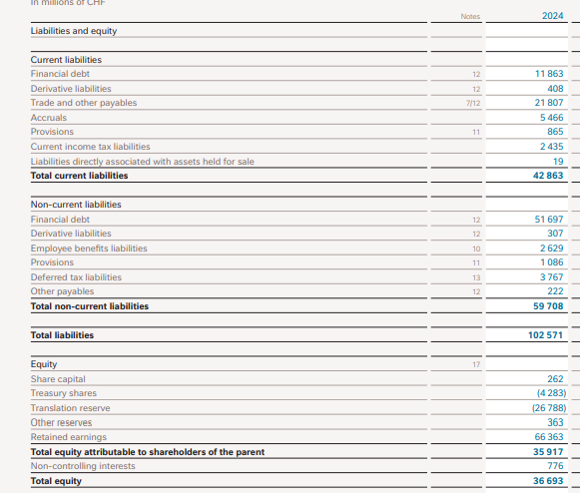

Enterprise Value
Share Price |  |  | $87.86
Number diluted shares outstanding |  |  | 2,599.00
Market value |  |  | 228,348.14
Short-term debt |  |  | 11,863.00
Long-term debt (includes current portions) |  |  | 51,697.00
Capital lease obligations
Convertible debt
Preferred securities
Noncontrolling interest |  |  | 776
Less: Cash & equivalents |  |  | -5,556.00
Enterprise value |  |  | $287,128.14

